Data
loads | cycles | censor
300 | 415473 | 1
278 | 1432994 | 1
257 | 1514023 | 1
238 | 1123808 | 1
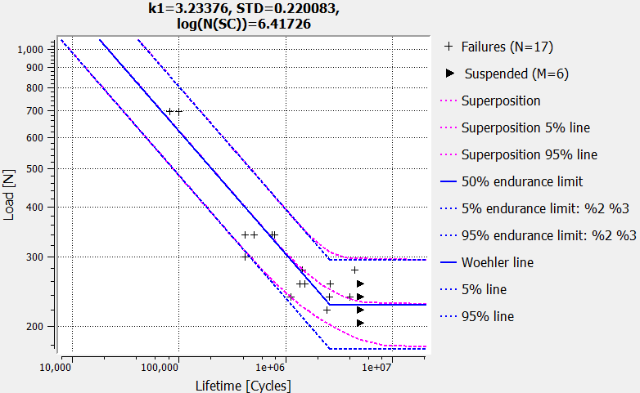
220 | 5000588 | 0
238 | 5000551 | 0
257 | 5000518 | 0
278 | 4468138 | 1
257 | 2627999 | 1
238 | 4012433 | 1
220 | 5000591 | 0
238 | 5000563 | 0
257 | 1368757 | 1
238 | 2547519 | 1
220 | 2456062 | 1
204 | 5000585 | 0
340 | 507702 | 1
340 | 510192 | 1
340 | 416487 | 1
340 | 742479 | 1
340 | 783257 | 1
696 | 99362 | 1
696 | 82227 | 1

